MKE Office Tracking Maps
MILWAUKEE MAIN FACILITY - OFFICE TRACKING MAPS | EXPOSED AREAS
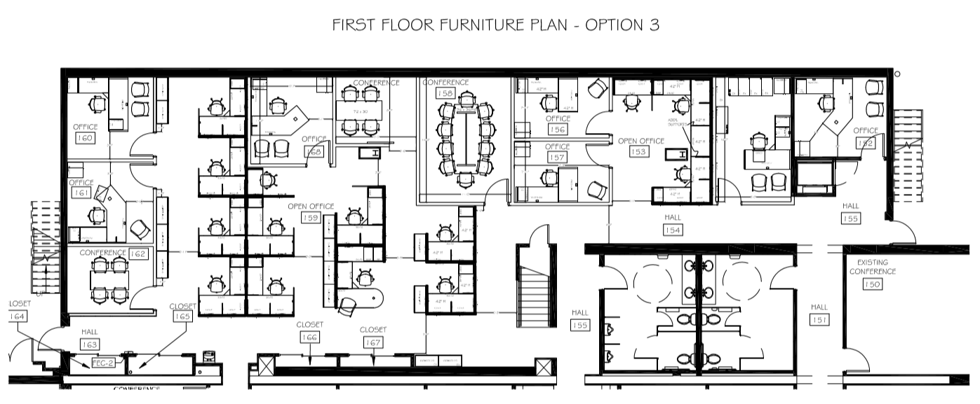
1ST FLOOR - CSI OFFICE AREA
FINANCE
GSS
DDI
FIN
IT
HR
MEN
WASH
WOMEN
WASH
DDI
DDMS
MAIN STAIRWAY
ENG STAIRWAY
 | 1ST FLOOR - CSI OFFICE
 | MARK "X" EXPOSED AREA
 | MAIN STAIRWAY
 | FINANCE
 | GSS
 | IT
 | HR
 | MEN WASH
 | WOMEN WASH
 | DDI FIN
 | DDI DDMS
 | ENG STAIRWAY

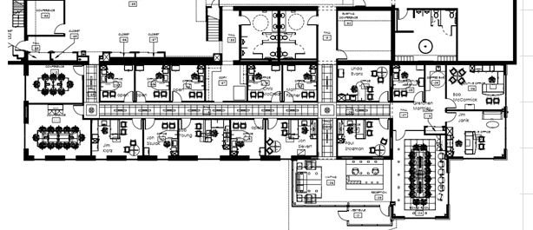
1ST FLOOR - DDI OFFICE AREA
MEN
WASH
WOMEN
WASH
DDI
DDMS
CI
LOCKER
NORTH
CI LAB
DDI
MAIN
DDI
MAIN
ATLAS
CR
MAXIMUS
CR
FRONT
LOBBY
 | 1ST FLOOR - DDI OFFICE
 | MARK "X" EXPOSED AREA
 | MEN WASH
 | WOMEN WASH
 | CI LOCKER
 | NORTH CI LAB
 | ATLAS CR
 | MAXIMUM CR
 | FRONT LOBBY
 | DDI DDMS
 | DDI MAIN

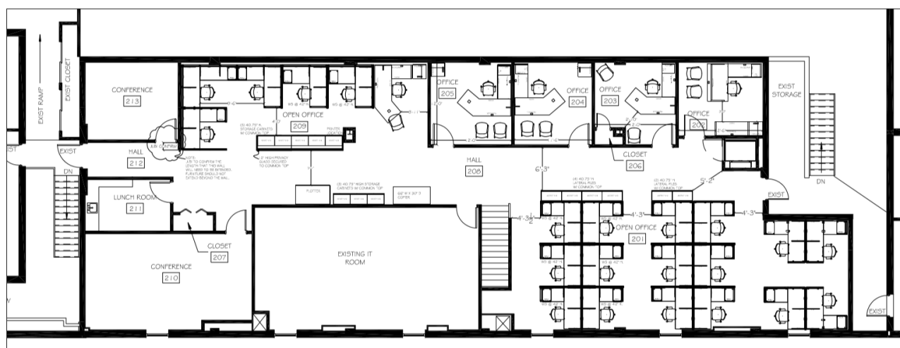
2ND FLOOR - CSI OFFICE AREA
KLUG
CI-ENG
ENG #1
ENG #2
IT
MAIN
CR
KITCHEN
MAIN STAIRWAY
ENG
STAIRWAY
 | 2ND FLOOR - CSI OFFICE
 | MARK "X" EXPOSED AREA
 | MAIN STAIRWAY
 | KLUG
 | CI-ENG
 | ENG #1
 | ENG #2
 | KITCHEN
 | MAIN CR
 | IT
 | ENG STAIRWAY

MILWAUKEE DDC FACILITY - OFFICE TRACKING MAPS | EXPOSED AREAS
1ST FLOOR - DDC OFFICE AREA
 | 1ST FLOOR - DDC OFFICE
 | MARK "X" EXPOSED AREA
 | SOUTH POLE CR
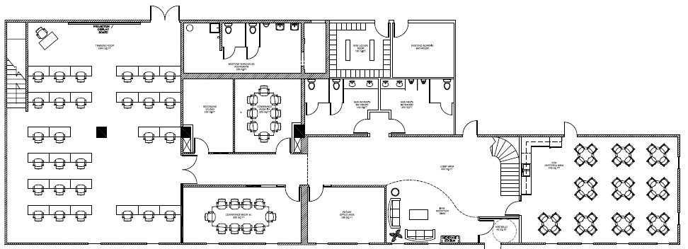
MARK
A
LOBBY
LUNCH
ROOM
NURSE
MEN
WASH
#1
WOMEN
WASH
#1
WOMEN
WASH
#2
MEN
WASH
#2
EMPEROR
CR
ROCK
HOPPER
CR
SOUTH POLE
CR
SHIP
LOCKER
 | MEN WASH #2
 | SHIP LOCKER
 | WOMEN WASH #2
 | NURSE
 | ROCK HOPPER CR
 | WOMEN WASH #1
 | MEN WASH #1
 | EMPEROR CR
 | MARK A
 | LOBBY
 | LUNCH ROOM
2ND FLOOR - DDI OFFICE AREA
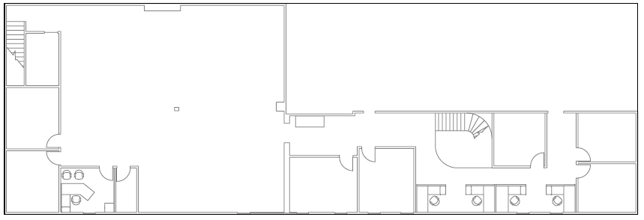
MARKETING - ADVERTISING
MAIN
STAIR-
WAY
TECHNICAL
SUPPORT
COLLECTIONS
CUSTOMER
SUPPORT
SALES & MARK'G
NORTH
STAIR-
WAY
 | 2ND FLOOR - DDC OFFICE
 | MARK "X" EXPOSED AREA
 | NORTH STAIRWAY
 | COLLECTIONS
 | TECHNICAL SUPPORT
 | SALES & MARK'G
 | CUSTOMER SUPPORT
 | MARK'G - ADV'G
 | MAIN STAIRWAY

MKE Shop Floor Tracking Maps
MILWAUKEE FACILITY - SHOP FLOOR TRACKING MAPS | EXPOSED AREAS

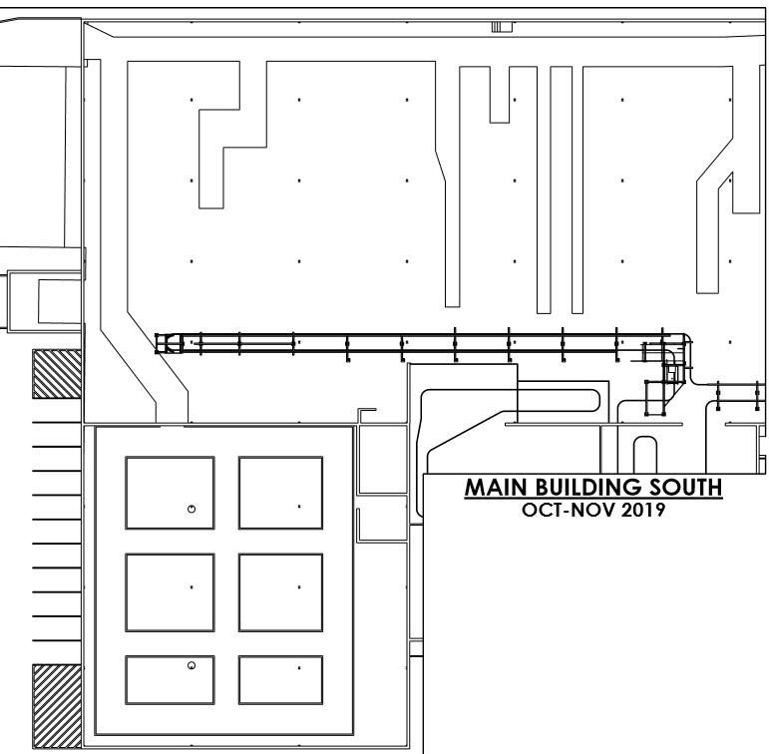
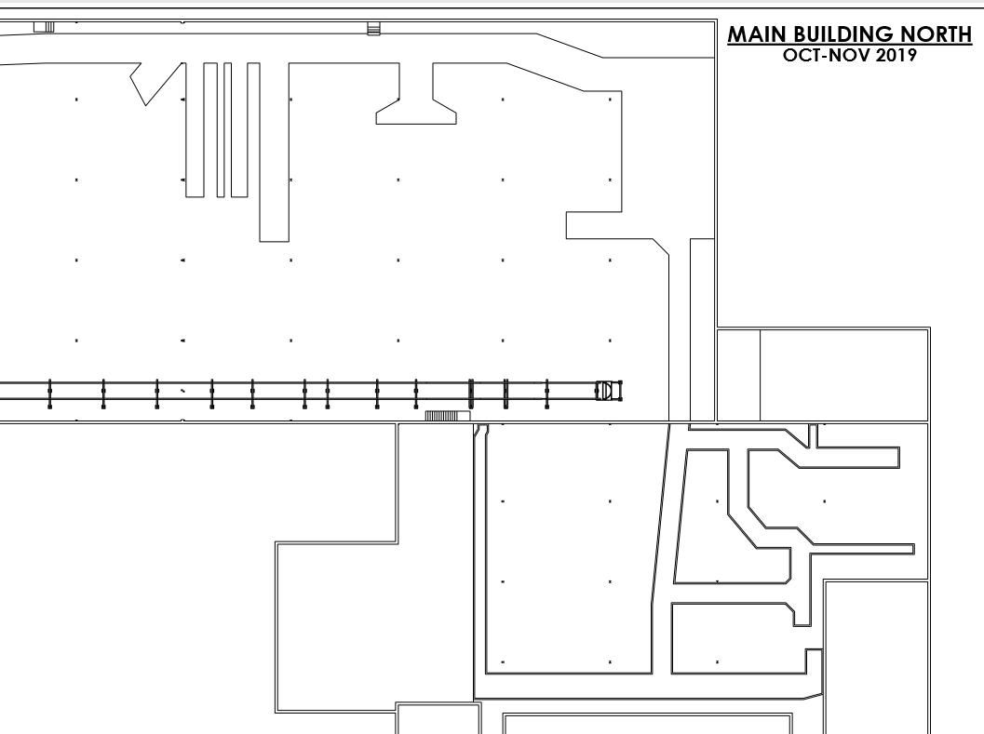
SHOP FLOOR - MAIN FACILITY
MEN
WASH #1
WOMEN
WASH
STAND
ASS'Y
CI-LAB
#1
CI-LAB
#2
MAINT
LUNCH
ROOM
MEN
WASH
#2
MACHINE
SHOP
HYDRAULIC
ASS'Y
RECEIVING
P&A
STRUCTURES
FAB/WELD
STR BLADE
ATTACHMENTS
LOW VOLUME
ATTACHMENTS
HINGE BLADE
ATTACHMENTS
BLADES
P&A
STRUCTURES
ASS'Y /BOXING
P&A
KITTING
 | SHOP FLOOR - MAIN PLANT
 | MARK "X" EXPOSED AREA
 | P&A STR ASS'Y/BOX
 | BLADES
 | HB ATTACHMENTS
 | LV ATTACHMENTS
 | SB ATTACHMENTS
 | P&A STR FAB/WELD
 | CI-LAB #2
 | P&A KITTING
 | MEN WASH #1
 | WOMEN WASH
 | STAND ASS'Y
 | MEN WASH #2
 | MACHINE SHOP
 | LUNCH ROOM
 | HYDRAULIC ASS'Y
 | CI-LAB #1
 | MAINTENANCE

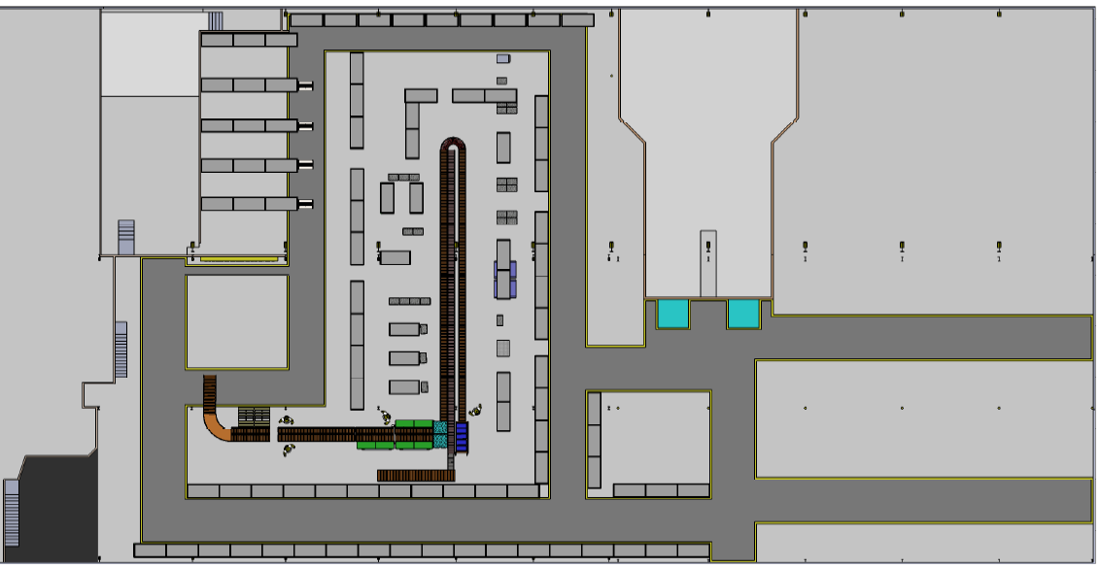
SOUTHWEST
WAREHOUSE
LTL DOCKS
CUTTING EDGE
WAREHOUSE
LTL BLADE
PACKAGING
LTL
STAGING
UPS/PARTS
PICK ING
UPS PACKING
4% PARTS
WAREHOUSE
LTL
OFFICE
SHIP OFFICE
UPS
STAGING
GENERAL AISLES
GENERAL AISLE S
GENERAL AISLE S
UPS/PARTS
PICK ING
UPS/PARTS
PICK ING
N. EAST
WAREHOUSE
SHIP FLOOR - DDC FACILITY
UPS DOCK
 | SHIP FLORR - DDC
 | MARK "X" EXPOSED AREA
 | SHIPPING OFFICE
 | N. EAST WAREHSE
 | UPS DOCK
 | UPS STAGING
 | UPS PACKING
 | UPS/PARTS PICKING
 | 4% PARTS WAREHSE
 | LTL OFFICE
 | LTL DOCKS
 | LTL STAGING
 | S. WEST WAREHSE
 | CUT'G EDGE WAREHSE
 | LTL BLADE PACKAGING
 | GENERAL AISLES

